Planilha2
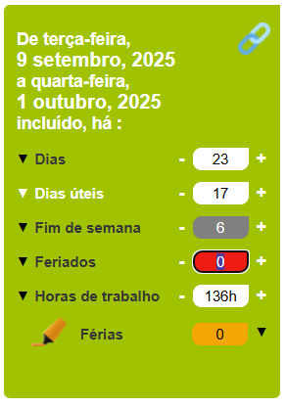
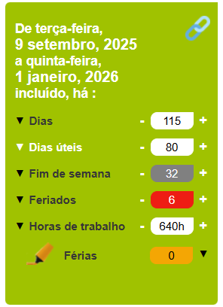
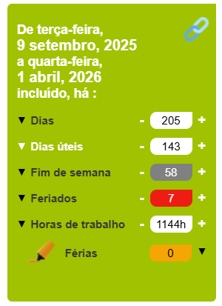
 | Data vencimento | VN | PU | du | Taxa
2025-09-09 | 2025-10-01 | 1000 | 990 | 15 | 18.3937
2025-09-09 | 2026-01-01 | 1000 | 957.698347 | 79 | 14.7831
2025-09-09 | 2026-04-01 | 1000 | 926.524355 | 140 | 14.7249

 |  |  |  |  |  | https://www.dias-uteis.com/sharer?f=20250909&t=20260401&mode=0

